11 - Tom George
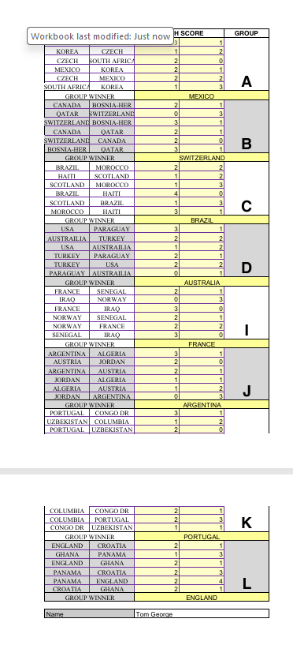

TEAMS |  | MATCH SCORE |  | GROUP | TEAMS |  | MATCH SCORE |  | GROUP
MEXICO | SOUTH AFRICA | 3 | 1 | A | GERMANY | CURACO | 3 | 2 | E
KOREA | CZECH | 1 | 2 |  | IVORY COAST | ECUADOR | 2 | 1
CZECH | SOUTH AFRICA | 2 | 0 |  | GERMANY | IVORY COAST | 2 | 1
MEXICO | KOREA | 2 | 1 |  | ECUADOR | CURACO | 1 | 1
CZECH | MEXICO | 2 | 2 |  | CURACO | IVORY COAST | 0 | 2
SOUTH AFRICA | KOREA | 1 | 3 |  | ECUADOR | GERMANY | 0 | 1
GROUP WINNER |  | Mexico |  |  | GROUP WINNER |  | Germany
CANADA | BOSNIA-HER | 2 | 1 | B | NETHERLANDS | JAPAN | 2 | 2 | F
QATAR | SWITZERLAND | 0 | 3 |  | SWEDEN | TUNISIA | 1 | 0
SWITZERLAND | BOSNIA-HER | 3 | 1 |  | NETHERLANDS | SWEDEN | 3 | 2
CANADA | QATAR | 2 | 1 |  | TUNISIA | JAPAN | 1 | 2
SWITZERLAND | CANADA | 2 | 0 |  | JAPAN | SWEDEN | 2 | 2
BOSNIA-HER | QATAR | 3 | 1 |  | TUNISIA | NETHERLANDS | 0 | 3
GROUP WINNER |  | Switzerland |  |  | GROUP WINNER |  | Netherlands
BRAZIL | MOROCCO | 2 | 2 | C | BELGIUM | EGYPT | 1 | 2 | G
HAITI | SCOTLAND | 1 | 2 |  | IRAN | NEW ZELAND | 1 | 2
SCOTLAND | MOROCCO | 1 | 3 |  | BELGIUM | IRAN | 3 | 1
BRAZIL | HAITI | 4 | 0 |  | NEW ZELAND | EGYPT | 1 | 2
SCOTLAND | BRAZIL | 1 | 3 |  | EGYPT | IRAN | 3 | 1
MOROCCO | HAITI | 3 | 1 |  | NEW ZELAND | BELGIUM | 0 | 2
GROUP WINNER |  | Brazil |  |  | GROUP WINNER |  | BELGIUM
USA | PARAGUAY | 3 | 1 | D | SPAIN | CABO VERDE | 4 | 0 | H
AUSTRAILIA | TURKEY | 2 | 2 |  | SAUDI ARABIA | URUGUAY | 0 | 2
USA | AUSTRAILIA | 1 | 2 |  | SPAIN | SAUDI ARABIA | 5 | 0
TURKEY | PARAGUAY | 2 | 1 |  | URUGUAY | CABO VERDE | 2 | 1
TURKEY | USA | 2 | 2 |  | CABO VERDE | SAUDI ARABIA | 2 | 1
PARAGUAY | AUSTRAILIA | 0 | 1 |  | URUGUAY | SPAIN | 2 | 4
GROUP WINNER |  | AUSTRALIA |  |  | GROUP WINNER |  | Spain
FRANCE | SENEGAL | 2 | 1 | I
IRAQ | NORWAY | 0 | 3 |  | OVERALL WINNER |  | SPAIN
FRANCE | IRAQ | 3 | 0
NORWAY | SENEGAL | 2 | 1 |  | TOP GOAL SCORER |  | Harry Kane
NORWAY | FRANCE | 2 | 2
SENEGAL | IRAQ | 3 | 0 |  | TIE BREAKER
GROUP WINNER |  | France |  |  | TOTAL TOURNAMENT GOALS |  | 206
ARGENTINA | ALGERIA | 3 | 1 | J
AUSTRIA | JORDAN | 2 | 0 |  | RULES:
ARGENTINA | AUSTRIA | 2 | 1
JORDAN | ALGERIA | 1 | 1 |  | 1. £15.00 ENTRY PAID PRIOR TO TOURNAMENT START
ALGERIA | AUSTRIA | 1 | 2 |  | 2. FORMS TO BE COMPLETED PRIOR TO TOURNAMENT START. ANY FORMS
JORDAN | ARGENTINA | 0 | 3 |  | RECEIVED AFTER THE START WILL NOT BE ENTERED
GROUP WINNER |  | Argentina |  |  | 3. WINNER WILL BE DECEIDED BY THE HIGHEST NUMBER OF POINTS TOTALED
PORTUGAL | CONGO DR | 3 | 1 | K | IN THE EVENT OF A TIE THE WINNER WILL BE DECIDED BY THE TIE BREAKER
UZBEKISTAN | COLUMBIA | 1 | 2 |  | 4. PLEASE COMPLETE THE FORM BY ENTERING THE SCORE FOR EACH MATCH,
PORTUGAL | UZBEKISTAN | 2 | 0 |  | GROUP WINNER, OVERALL WINNER, TOP GOAL SCORER AND THE TIE BREAK
COLUMBIA | CONGO DR | 2 | 1
COLUMBIA | PORTUGAL | 2 | 3
CONGO DR | UZBEKISTAN | 1 | 1 |  | SCORING
GROUP WINNER |  | Portugal |  |  | CORRECT SCORE | 3 POINTS
ENGLAND | CROATIA | 2 | 1 | L | CORRECT RESULT | 1 POINT
GHANA | PANAMA | 1 | 3 |  | GROUP WINNERS | 3 POINTS
ENGLAND | GHANA | 2 | 1 |  | OVERALL WINNER | 3 POINTS
PANAMA | CROATIA | 2 | 3 |  | TOP GOAL SCORER | 5 POINTS
PANAMA | ENGLAND | 2 | 4
CROATIA | GHANA | 2 | 1
GROUP WINNER |  | England

Name |  | Tom George
Email Address

